Sheet1
A) QUESTION : You and your friends have just measured the heights of your dogs (in millimetres) :
The heights (at the shoulders) are 600mm, 470mm, 170mm, 430mm and 300mm
Find the mean and mean deviation
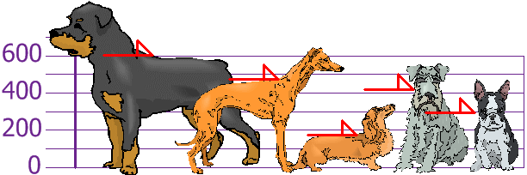
 |  |  |  | X | X-µ | |X-µ| | (X-µ)^2
 |  |  |  | 600 | 206 | 206 | 42436
 |  |  |  | 470 | 76 | 76 | 5776
 |  |  |  | 170 | -224 | 224 | 50176
 |  |  |  | 430 | 36 | 36 | 1296
 |  |  |  | 300 | -94 | 94 | 8836
 |  |  | MEAN | 394
 |  |  | ABSOLUTE DEVIATION |  |  | 636
 |  |  | MEAN DEVIATION |  | 127.2
 |  |  | STANDARD DEVIATION |  |  |  | 21704
 |  |  | VARIANCE |  |  |  | 147.32277489
 |  |  | CV | 5508.6294416
 |  |  | RANGE | 430
 |  |  | Coefficient of RANGE | 0.55844155844

 | Inference : So, on an average, the dogs' heights are 127.2 mm from the mean.

B) QUESTION : You grew fifty baby carrots using special soil. You dig them up and measure their lengths (to the nearest mm) and group the results :

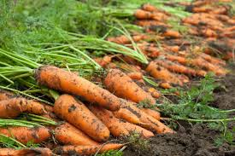
 |  |  |  | Length (mm) | Frequency
 |  |  |  | 150-154 | 5
 |  |  |  | 155-159 | 2
 |  |  |  | 160-164 | 6
 |  |  |  | 165-169 | 8
 |  |  |  | 170-174 | 9
 |  |  |  | 175-179 | 11
 |  |  |  | 180-184 | 6
 |  |  |  | 185-189 | 3

 |  | Answer : | Length (mm) | Midpoint (X) | Frequency (F) | FX | CF
 |  |  | 150-154 | 152 | 5 | 760 | 5
 |  |  | 155-159 | 157 | 2 | 314 | 7
 |  |  | 160-164 | 162 | 6 | 972 | 13
 |  |  | 165-169 | 167 | 8 | 1336 | 21
 |  |  | 170-174 | 172 | 9 | 1548 | 30
 |  |  | 175-179 | 177 | 11 | 1947 | 41
 |  |  | 180-184 | 182 | 6 | 1092 | 47
 |  |  | 185-189 | 187 | 3 | 561 | 50
 |  |  |  | TOTAL | 50 | 8530
 |  |  |  |  | Mean | 170.6

 |  |  |  |  | Median | 172.22222222

 |  |  |  |  | Mode | 176.42857143

